Sheet1
Example: 2+ sections
Example: Single section
Treeview behavior for BDC Mockup | 1-Apr-19
 |  | VISUAL: Treeview in Inventory Mode
Rich: Need better definition of tree items / filters. GD: Filtering will exist, but is outside of Mockup scope (because it requires reading project configuration data) Treeview nodes display depends on the mode the user is in: Inventory (tree) Mode (default) or Inspection (tree) Mode (these are the two left-most icons on toolbar) INVENTORY Mode: Root node(s): Facility (Building ID number - Name). SubLevel 1: System (letter + 2 digits, i.e. A10, plus - "System Name"). SubLevel 2: Component (letter + 4 digits, i.e. A2020, plus - "Component Name". SubLevel 3: Section(s). If only 1 section (and section name default to "N/A": (letter + 6 digits, i.e. A1010001 plus - "Equip./Component Category" plus - "Equip./Comp. Type" If 2+ sections (and thus inspector was required to name the sections other than N/A: Section name - letter + 6 digits, i.e. A1010001 plus - "Equip./Component Type" |  | 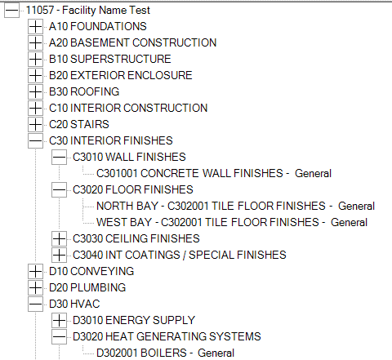
INSPECTION Mode |  | VISUAL: Treeview in Inspection Mode (ONLY diff. is the additional 'By System' node)
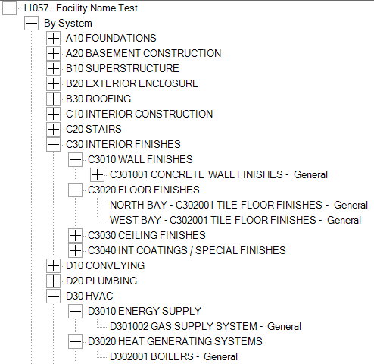
In the current application (Builder RED), there are two ways to do inspections:
By System and By Sample Location, as seen here (FYI only):

In BDC, for V1, we only support the By System type
To avoid confusion, we ALWAYS want the By System node to appear directly under root Facility node(s)
Because there is no choice of By System or By Sample location, we want the following node expansion behavior:
Facility node collapsed:

Expanding the facilty node is to expand both 'By System' AND Systems sub nodes, as seen here:
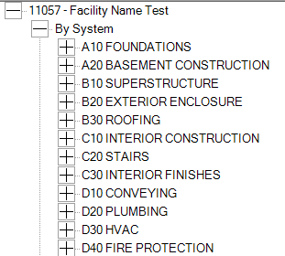

It is OK if the Mockup does not act this way as it may need Code Behind to do this custom behavior

